READ ME!


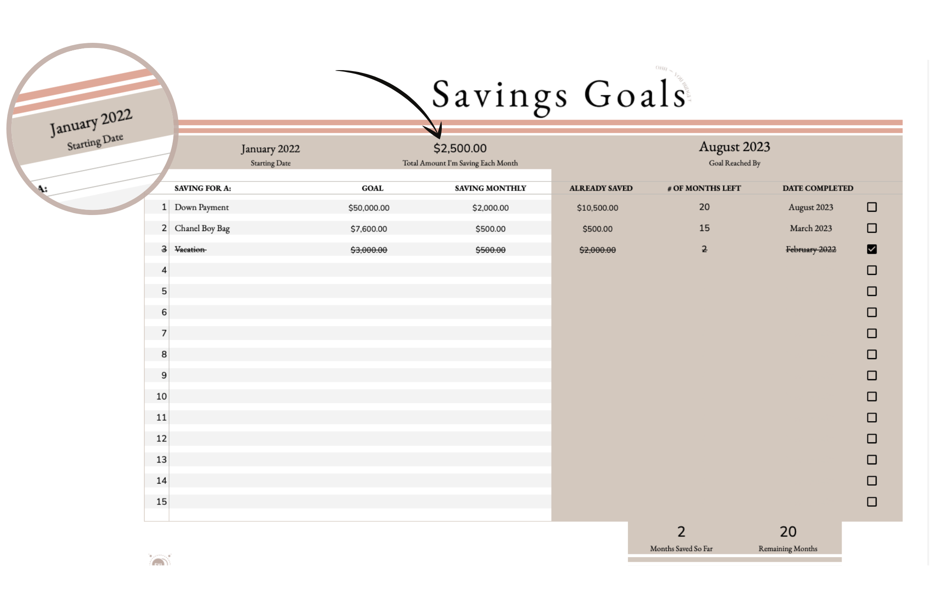

START HERE:

Fill in your Start Date. This date holds the key to the entire Savings Tracker tab. Follow by filling in your savings goals and how much you can realistically put towards it each month.

Be mindful of the Total Amount I'm Saving Each Month section which shows you how much money, in total, you have planned to set aside each month for all your your goals.

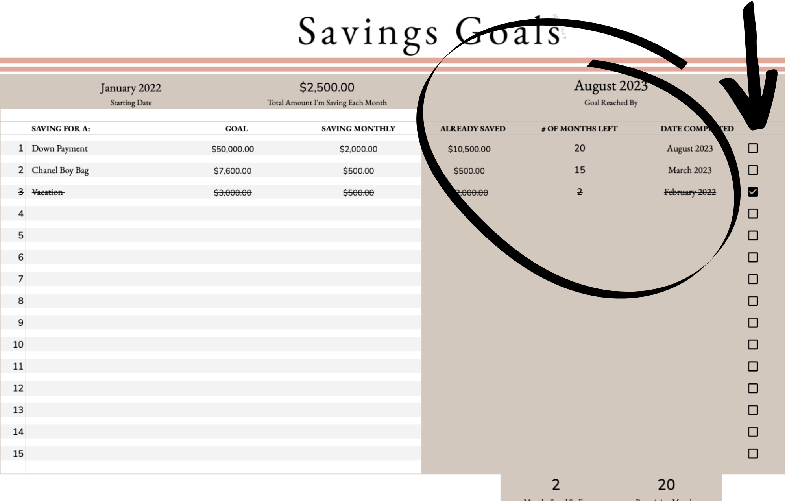
This section autofills, no need to make adjustments here!

When you finish your goal, check it off the list and the Total Amount I'm Saving Each Month reduces that specific goals monthly contribution. Or you can delete the goal in the first three columns altogether!

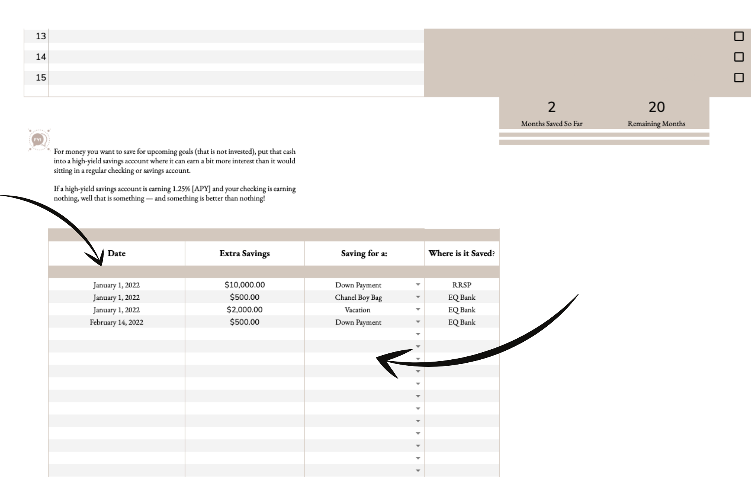
Start off this section with a double click to add a date. Then add how much you have already saved for each savings goal.

IMPORTANT: If you come across extra money that you want to throw at a savings goal (that is above the amount you already planned to save) add it to this section.

REMEMBER, this section is only for stating how much you have already saved when first starting out & for recording extra money towards a goal. Do not record each time you save money here as we already stated how much we are going to save in the SAVING MONTHLY category.

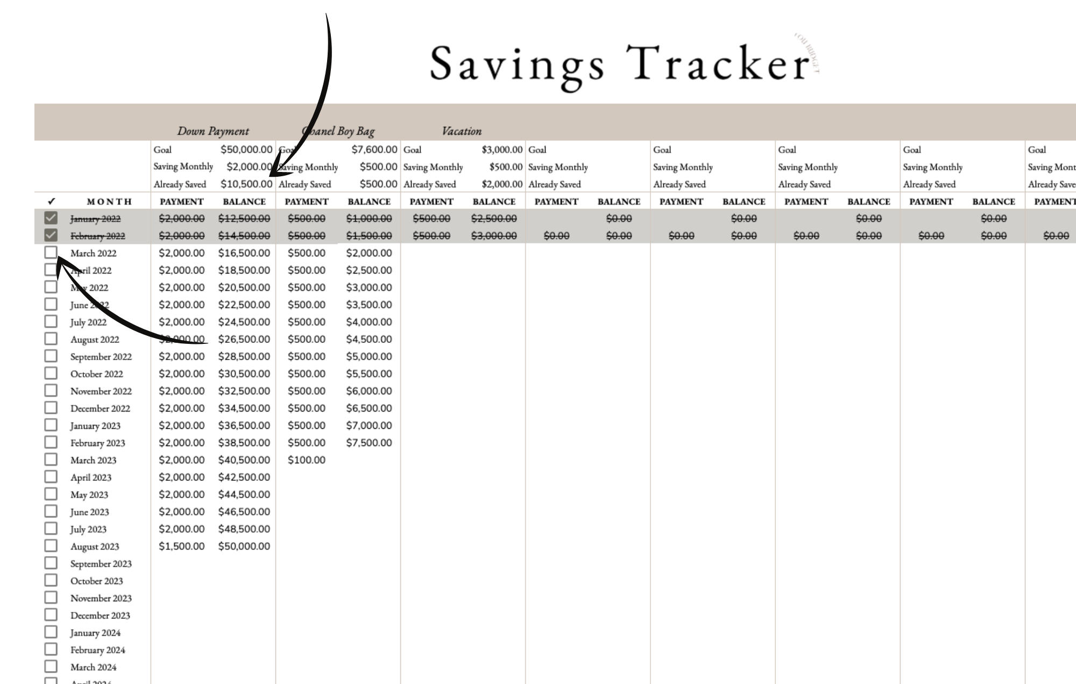

This section is automatically filled from the information in the Savings Goal tab. Once you've reached your savings goal for the month, check it off the list!

Any extra money that you recorded in the drop down section will be reflected here.

